Doeswijk, Lam, Swinkels (2014)
When you use this data, please cite both references:
Doeswijk, R., Lam, T., and Swinkels, L., 2014, "The Global Multi-Asset Market Portfolio, 1959–2012", Financial Analysts Journal 70(2), pp. 26-41.
Doeswijk, R., Lam, T., and Swinkels, L., 2020, "Data update: The Global Multi-Asset Market Portfolio, 1959–2012". Erasmus University Rotterdam (EUR). Dataset. https://doi.org/10.25397/eur.9371741
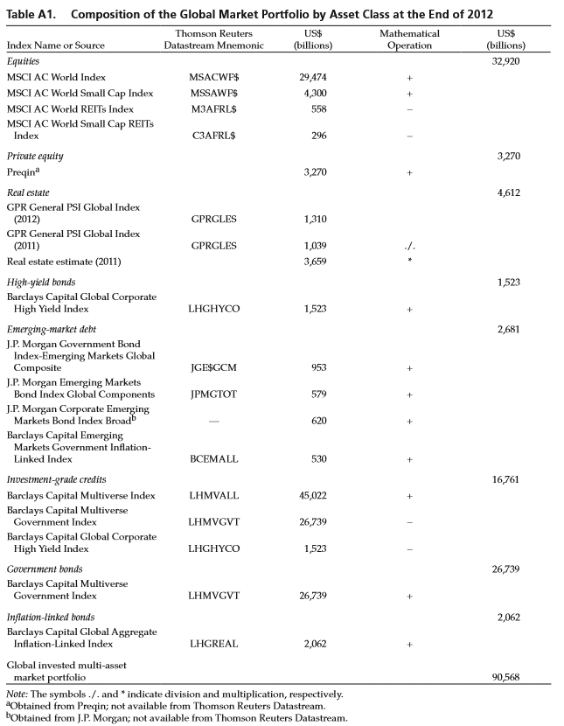
Table A1. Composition of the Global Market Portfolio by Asset Class (updated)
 | Refinitiv | 2012 | 2013 | 2014 | 2015 | 2016 | 2017 | 2018 | 2019 | 2020
Index name or source | Datastream Mnemonic | US$ bn | US$ bn | US$ bn | US$ bn | US$ bn | US$ bn | US$ bn | US$ bn | US$ bn
Equities |  | 32,920 | 40,302 | 41,379 | 39,986 | 42,205 | 51,551 | 45,121 | 56,199 | 65,781
MSCI AC World Index | MSACWF$ | 29,474 | 35,739 | 36,893 | 35,723 | 37,616 | 45,879 | 40,566 | 50,879 | 59,241
MSCI World Small Cap Index | MSSAWF$ | 4,300 | 5,522 | 5,717 | 5,540 | 5,916 | 7,167 | 5,920 | 7,057 | 8,170
MSCI World REITs Index | M3AFRL$ | 558 | 590 | 761 | 803 | 842 | 960 | 876 | 1,156 | 1,071
MSCI World Small Cap REITs Index | C3AFRL$ | 296 | 370 | 471 | 474 | 484 | 535 | 489 | 581 | 559

Private equity |  | 3,270 | 3,759 | 3,891 | 4,191 | 4,509 | 5,235 | 6,063 | 7,193 | 7,572
Prequin* | - | 3,270 | 3,759 | 3,891 | 4,191 | 4,509 | 5,235 | 6,063 | 7,193 | 7,572

Real estate |  | 4,612 | 5,277 | 6,078 | 6,123 | 6,274 | 7,156 | 6,849 | 7,839 | 7,203
GPR General PSI Global Index (t) | GPRGLES | 1,310 | 1,498 | 1,726 | 1,739 | 1,782 | 2,032 | 1,945 | 2,226 | 2,046
GPR General PSI Global Index (t-1) | GPRGLES | 1,039 | 1,310 | 1,498 | 1,726 | 1,739 | 1,782 | 2,032 | 1,945 | 2,226
Real estate estimate (t-1) | - | 3,659 | 4,612 | 5,277 | 6,078 | 6,123 | 6,274 | 7,156 | 6,849 | 7,839

High yield bonds |  | 1,523 | 1,827 | 1,897 | 1,715 | 1,845 | 1,938 | 1,730 | 1,909 | 2,413
Barclays Capital Global Corporate High Yield Index | LHGHYCO | 1,523 | 1,827 | 1,897 | 1,715 | 1,845 | 1,938 | 1,730 | 1,909 | 2,413

Emerging debt |  | 2,682 | 2,717 | 2,866 | 2,637 | 3,069 | 3,604 | 3,410 | 4,063 | 5,147
J.P. Morgan Government Bond Index - Emerging Markets Global Composite | JGE$GCM | 953 | 930 | 941 | 793 | 965 | 1,203 | 1,123 | 1,292 | 2,050
J.P. Morgan Emerging Markets Bond Index Global Components | JPMGTOT | 579 | 586 | 651 | 672 | 776 | 913 | 873 | 1,153 | 1,327
J.P. Morgan Corporate Emerging Markets Bond Index Broad | - | 620 | 716 | 792 | 788 | 855 | 969 | 945 | 1,079 | 1,248
Barclays Capital Emerging Markets Government Inflation-Linked Index | BCEMALL | 530 | 485 | 483 | 383 | 473 | 519 | 470 | 539 | 522

Investment grade credits |  | 16,761 | 17,030 | 17,516 | 17,581 | 18,530 | 20,896 | 20,833 | 23,096 | 26,306
Barclays Capital Multiverse Index | LHMVALL | 45,022 | 44,813 | 46,225 | 45,684 | 47,836 | 53,150 | 53,159 | 60,053 | 71,182
Barclays Capital Multiverse Government Index | LHMVGVT | 26,739 | 25,956 | 26,812 | 26,387 | 27,461 | 30,316 | 30,596 | 35,048 | 42,463
Barclays Captial Global Corporate High Yield Index | LHGHYCO | 1,523 | 1,827 | 1,897 | 1,715 | 1,845 | 1,938 | 1,730 | 1,909 | 2,413

Government bonds |  | 26,739 | 25,956 | 26,812 | 26,387 | 27,461 | 30,316 | 30,596 | 35,048 | 42,463
Barclays Capital Multiverse Government Index | LHMVGVT | 26,739 | 25,956 | 26,812 | 26,387 | 27,461 | 30,316 | 30,596 | 35,048 | 42,463

Inflation-linked bonds |  | 2,062 | 2,131 | 2,388 | 2,364 | 2,547 | 2,866 | 2,833 | 3,091 | 3,337
Barclays Capital Global Aggregate Inflation-Linked Index | LHGREAL | 2,062 | 2,131 | 2,388 | 2,364 | 2,547 | 2,866 | 2,833 | 3,091 | 3,337

Global invested Multi-asset market portfolio |  | 90,568 | 98,998 | 102,826 | 100,985 | 106,439 | 123,563 | 117,435 | 138,439 | 160,223

* Source: Obtained from Prequin. This number represents "Private Capital". For more information see
http://docs.preqin.com/samples/2016-Preqin-Global-Private-Equity-and-Venture-Capital-Report-Sample_Pages.pdf
For the 2020 update, we use the total private capital figure from June 2020, and backfill the other years - data published on (login required):
https://pro.preqin.com/analysis/dryPowderAUMBreakdown
Note that JGE$GCM and JPMGTOT are no longer supported in Datastream; source is now JP Morgan DataQuery

Chart Dec 2020
Equities | 65,781
Private equity | 7,572
Real estate | 7,203
High yield bonds | 2,413
Emerging debt | 5,147
Investment grade credits | 26,306
Government bonds | 42,463
Inflation-linked bonds | 3,337

